Delta Hedging
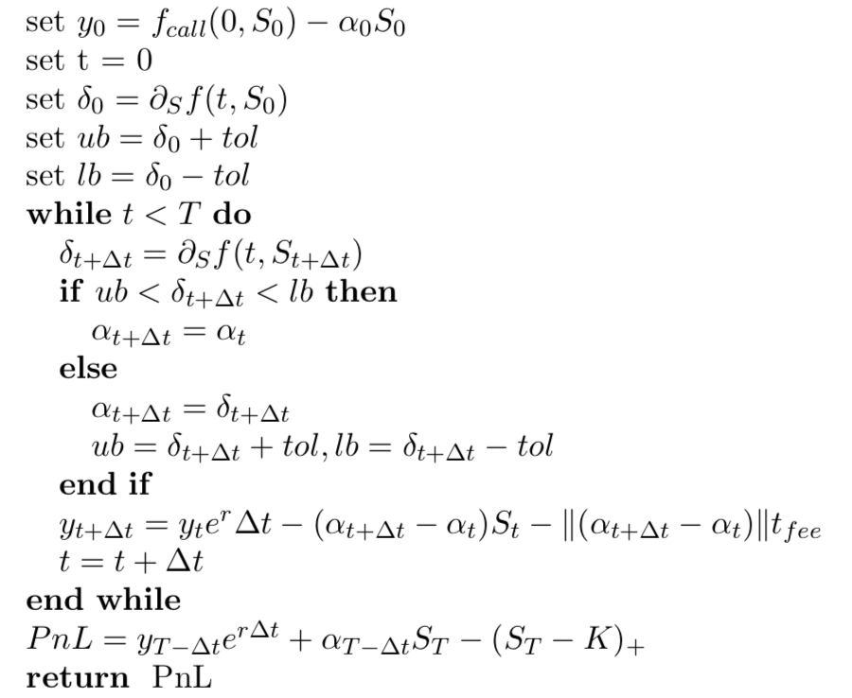
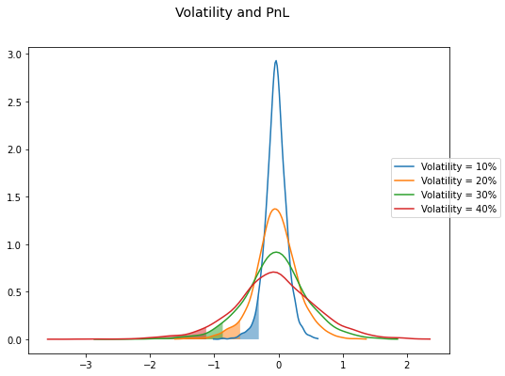
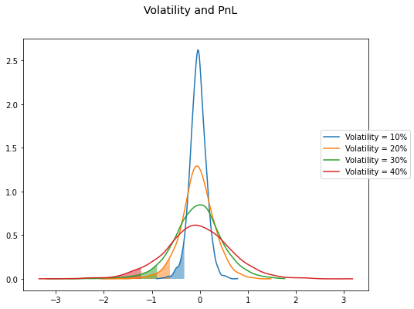
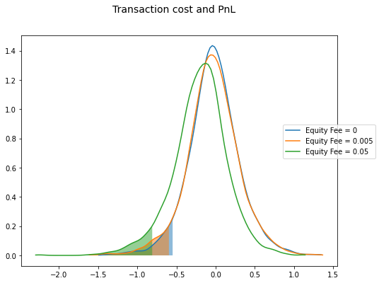
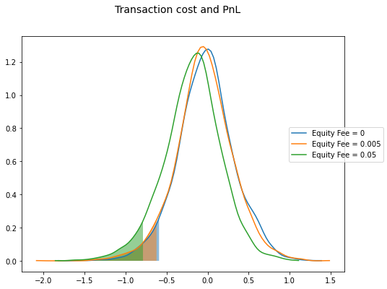
Delta Hedging |  |  | Time based delta hedging | Move based delta hedging
 |  | short put = cash inflow > 0
 | Delta hedging process | long stock = cash outflow < 0
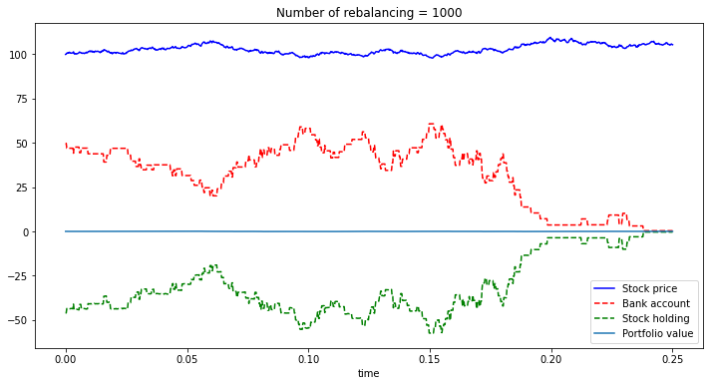

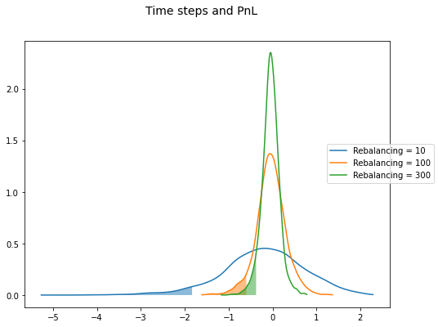
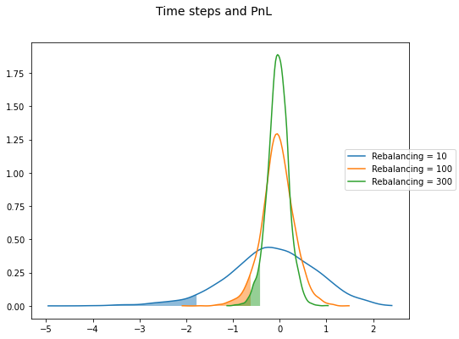

 | Time based delta hedging - algorithm
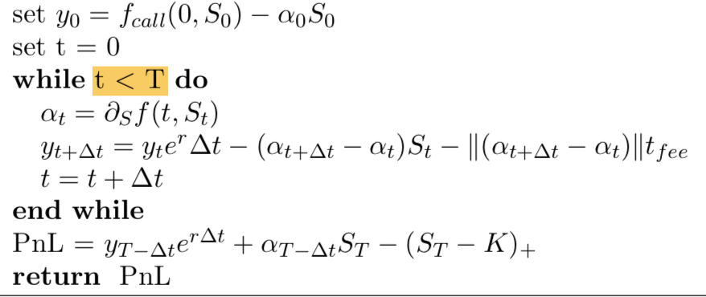

 | Move based delta hedging - algorithm

Delta Gamma Hedgng
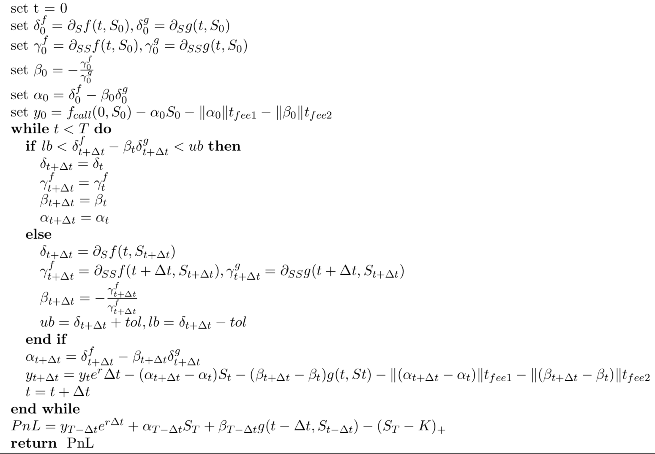
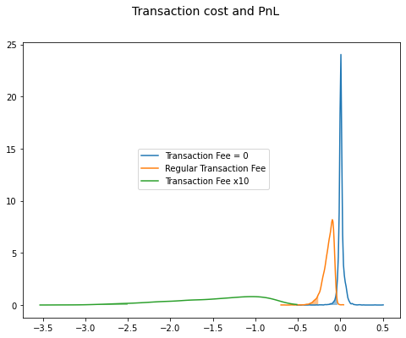
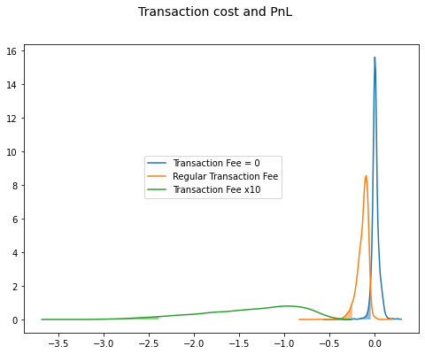
Delta Gamma Hedging |  | short put = cash inflow > 0 | Time based delta gamma hedging | Move based delta gamma hedging
 |  | short call = cash inflow > 0
 | Delta-gamma hedging process | long stock = cash outflow < 0
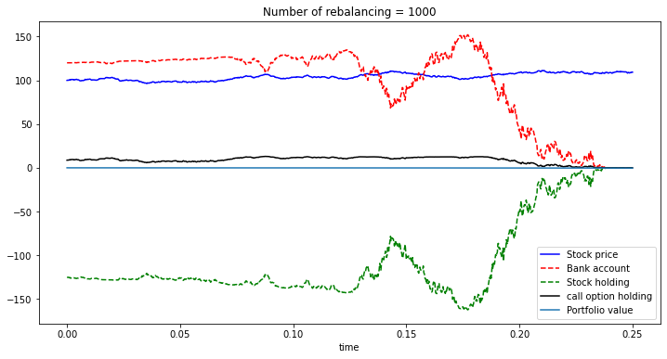

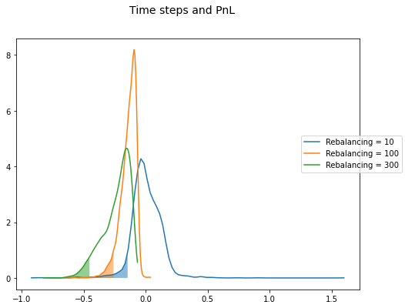
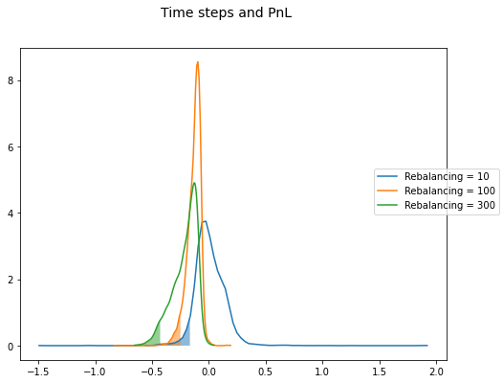

 | Time based delta hedging - algorithm

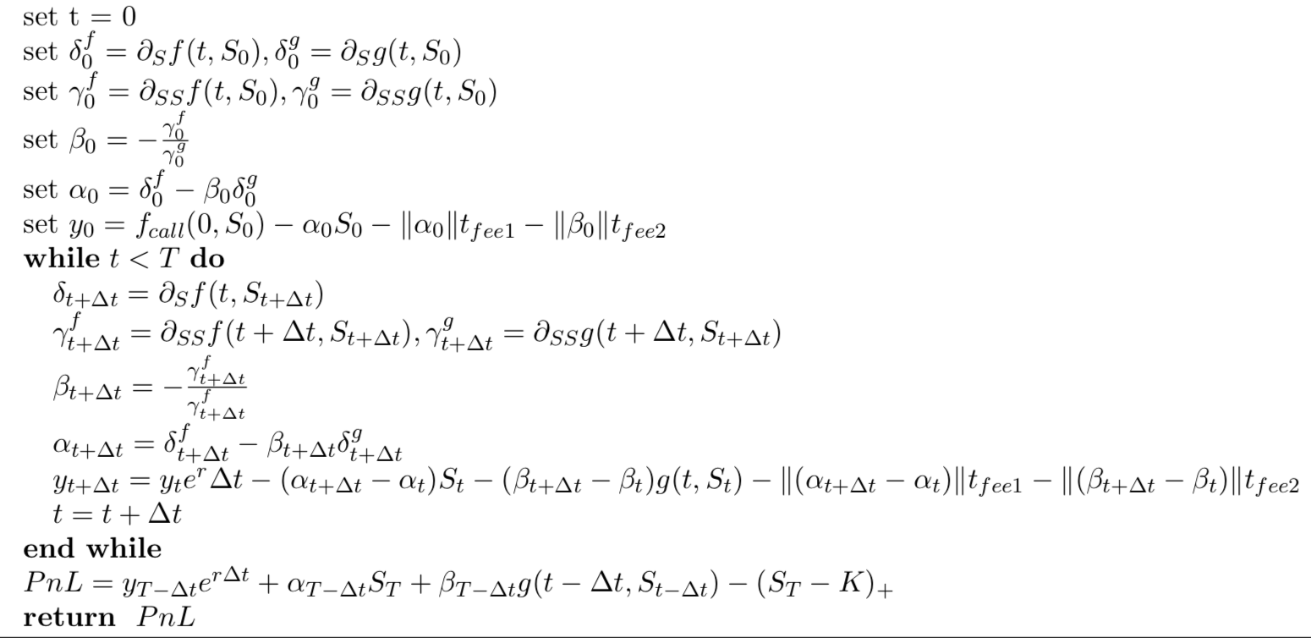

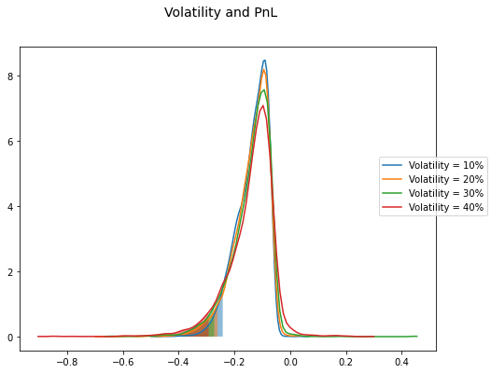
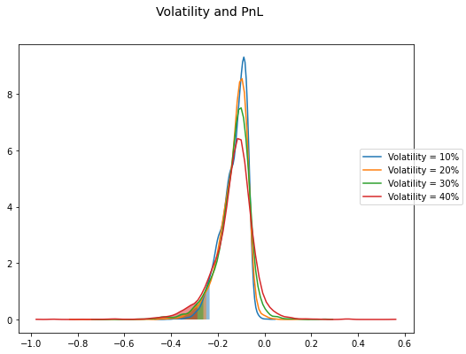

 | Move based delta hedging - algorithm

Rebalancing Band
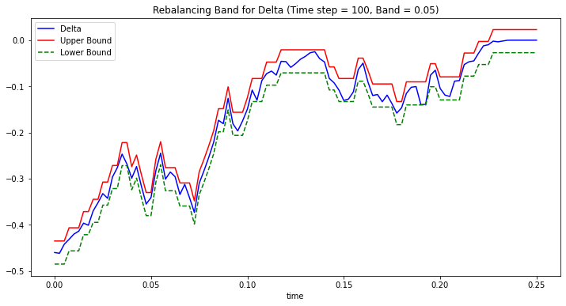
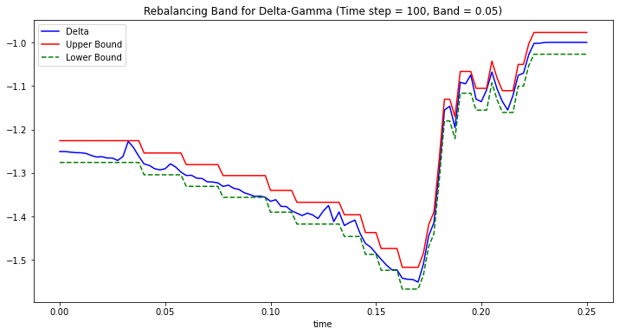
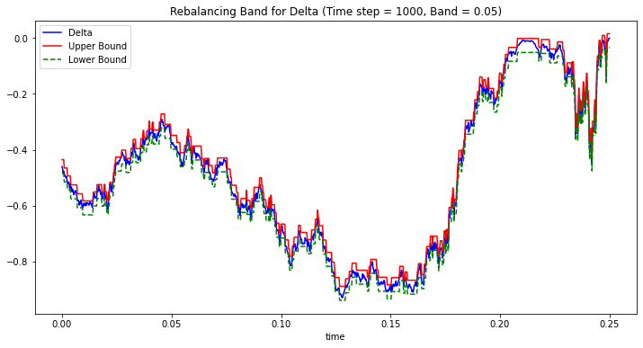
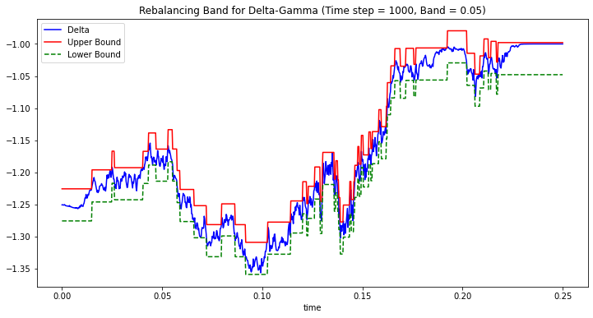
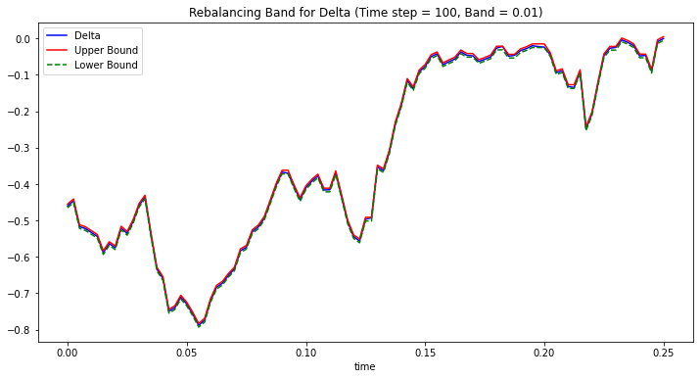
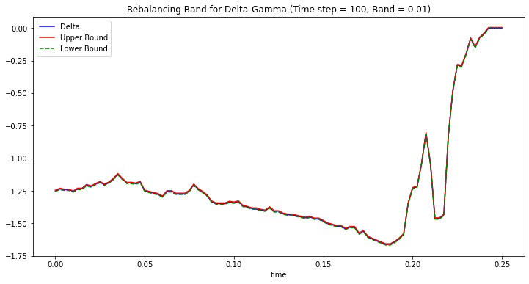
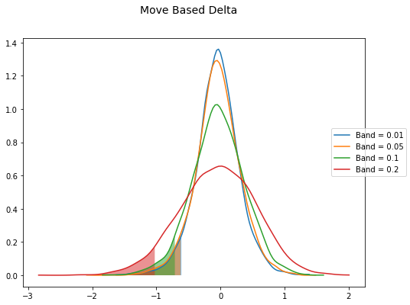
Effect of rebalancing band in move-based strategy | Numerical summary
 |  |  | PnL and Rebalancing band in Delta |  |  |  |  |  |  |  |  |  |  |  |  |  | Band Width and Rebalancing Frequency - Delta Hedging | Band Width and Rebalancing Frequency - Delta-Gamma Hedging
 | Move delta | PnL1 |  | Move-based Delta |  |  |  | Move-based Delta-Gamma |  |  |  | Difference =Delta - Gamma
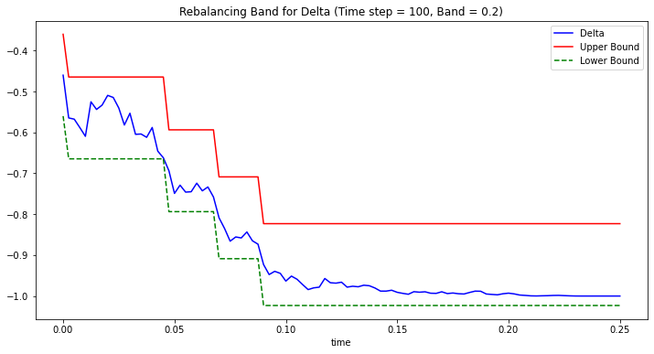
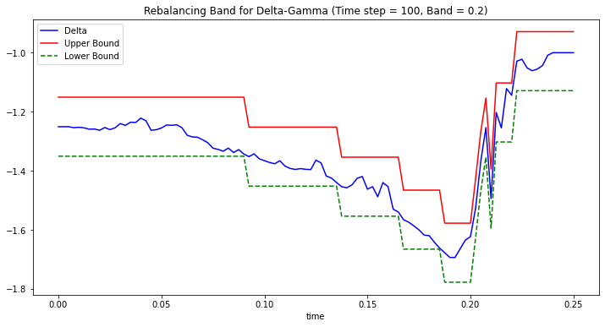
 |  | PnL2 |  | 0.01 | 0.05 | 0.1 | 0.2 | 0.01 | 0.05 | 0.1 | 0.2 | 0.01 | 0.05 | 0.1 | 0.2
 |  | PnL3 | Mean | -0.047 | -0.042 | -0.038 | -0.047 | -0.141 | -0.132 | -0.122 | -0.105 | 0.094 | 0.090 | 0.084 | 0.059
 |  | PnL4 | Std | 0.338 | 0.350 | 0.415 | 0.589 | 0.063 | 0.062 | 0.067 | 0.093 | 0.276 | 0.288 | 0.348 | 0.496
 |  | PnL5 | VaR | -0.610 | -0.623 | -0.711 | -1.024 | -0.255 | -0.250 | -0.239 | -0.264 | -0.354 | -0.373 | -0.472 | -0.760 | 3.874
 |  | PnL6 | CVaR | -0.819 | -0.828 | -0.938 | -1.303 | -0.304 | -0.298 | -0.291 | -0.316 | -0.515 | -0.531 | -0.648 | -0.987 | 4.123
 |  | PnL7 | Skewness | -0.156 | -0.137 | -0.100 | -0.143 | -1.106 | -1.433 | -0.643 | 0.065 | 0.950 | 1.295 | 0.543 | -0.207
 |  | PnL8 | Kurtosis | 1.292 | 1.016 | 0.396 | 0.071 | 3.255 | 6.496 | 3.129 | 2.935 | -1.963 | -5.480 | -2.733 | -2.864
 |  | PnL9
 |  | PnL10
 |  | PnL11 | Time Steps and Rebalancing Band - Delta Hedging |  |  |  |  |  |  |  |  | Time Steps and Rebalancing Band - Delta-Gamma Hedging
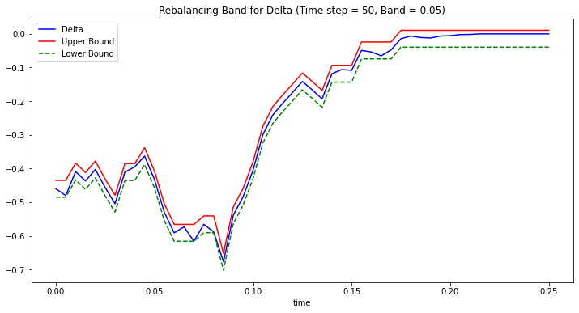
 |  | PnL12
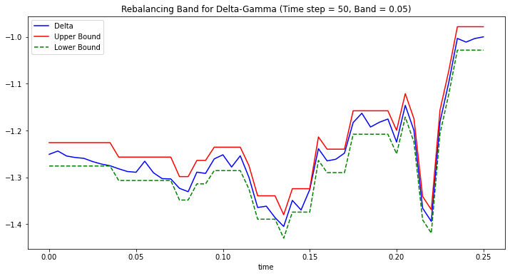
 | Move delta gamma | PnL1
 |  | PnL2
 |  | PnL3
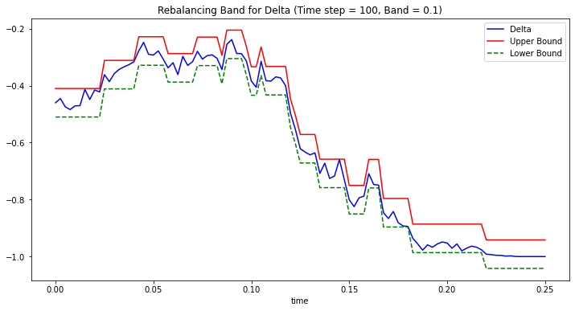
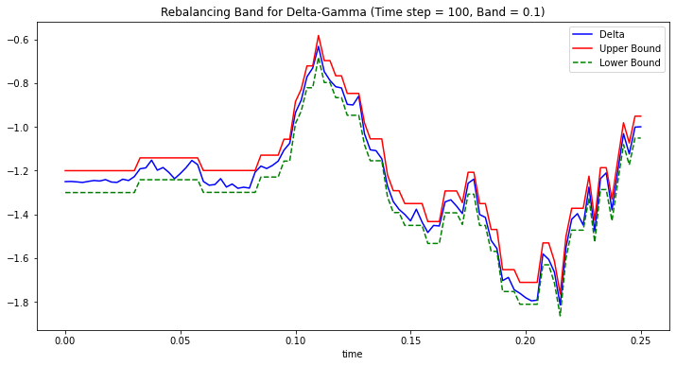
 |  | PnL4
 |  | PnL5
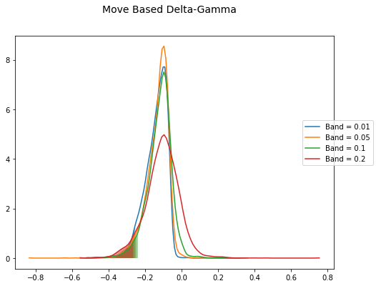
 |  | PnL6
 |  | PnL7
 |  | PnL8
 |  | PnL9
 |  | PnL10
 |  | PnL11
 |  | PnL12

Realized Volatility
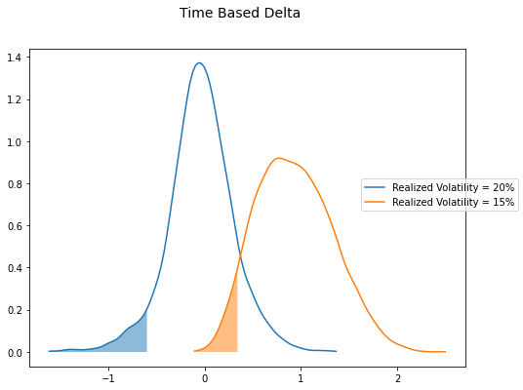
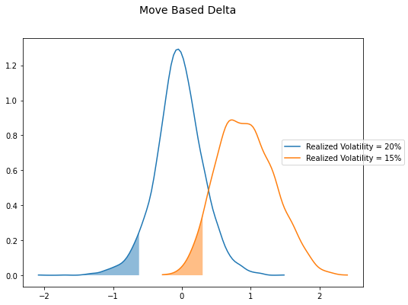
Effect of real-world volatility | Numerical summary
 |  |  | Real-world Volatility
 | Time delta | PnL1 |  | 15% | 20% | 15% | 20% | 15% | 20%
 |  | PnL2 |  | Time-based Delta |  | Move-based Delta |  | Difference = Time - Move
 |  | PnL3 | Mean | 0.937 | -0.038 | 0.932 | -0.042 | 0.005 | 0.005
 |  | PnL4 | Std | 0.393 | 0.338 | 0.413 | 0.350 | -0.020 | -0.012
 |  | PnL5 | VaR | 0.343 | -0.597 | 0.302 | -0.623 | 0.041 | 0.025
 |  | PnL6 | CVaR | 0.239 | -0.830 | 0.172 | -0.828 | 0.067 | -0.002
 |  | PnL7 | Skewness | 0.292 | -0.197 | 0.238 | -0.137 | 0.053 | -0.059
 |  | PnL8 | Kurtosis | -0.349 | 1.447 | -0.338 | 1.016 | -0.012 | 0.431
 |  | PnL9 |  | Time-based Delta-Gamma |  | Move-based Delta-Gamma |  | Difference = Time - Move
 |  |  | Mean | -0.12386 | -0.14032 | -0.11467 | -0.13173 | -0.009 | -0.009
 | Move delta | PnL1 | Std | 0.03754 | 0.06394 | 0.03836 | 0.06196 | -0.001 | 0.002
 |  | PnL2 | VaR | -0.1927 | -0.26063 | -0.18569 | -0.24957 | -0.007 | -0.011
 |  | PnL3 | CVaR | -0.21484 | -0.31416 | -0.21019 | -0.29772 | -0.005 | -0.016
 |  | PnL4 | Skewness | -0.83449 | -1.49191 | -0.80465 | -1.43273 | -0.030 | -0.059
 |  | PnL5 | Kurtosis | 0.89387 | 4.59991 | 1.35815 | 6.49575 | -0.464 | -1.896
 |  | PnL6 |  | Difference = Delta - Gamma |  | Difference = Delta - Gamma |  | Difference of Difference
 |  | PnL7 | Mean | 1.061 | 0.103 | 1.047 | 0.090 | 0.014 | 0.013
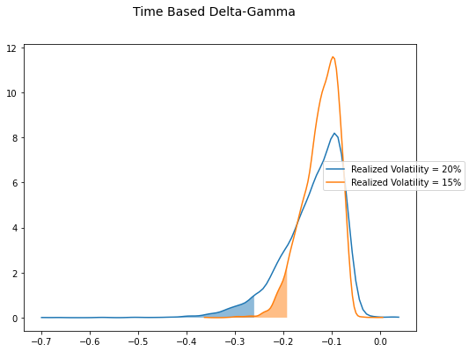
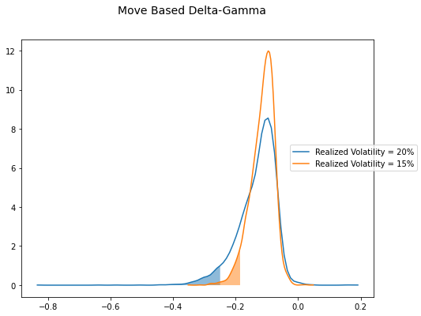
 |  | PnL8 | Std | 0.356 | 0.274 | 0.375 | 0.288 | -0.019 | -0.014
 |  | PnL9 | VaR | 0.536 | -0.337 | 0.487 | -0.373 | 0.048 | 0.036
 |  | PnL10 | CVaR | 0.454 | -0.516 | 0.382 | -0.531 | 0.072 | 0.015
 |  | PnL11 | Skewness | 1.126 | 1.295 | 1.043 | 1.295 | 0.083 | 0.000
 |  | PnL12 | Kurtosis | -1.243 | -3.153 | -1.696 | -5.480 | 0.452 | 2.327

 | Time delta gamma | PnL1
 |  | PnL2
 |  | PnL3
 |  | PnL4
 |  | PnL5
 |  | PnL6 |  | BSM | risk-neutrial volatility |  | Q-probability
 |  | PnL7 |  | Real world | Real world volatility |  | P-probability
 |  | PnL8 |  |  | 0.15 | option volatility premium
 |  | PnL9

 | Move delta gamma | PnL1
 |  | PnL2
 |  | PnL3
 |  | PnL4
 |  | PnL5
 |  | PnL6
 |  | PnL7
 |  | PnL8
 |  | PnL9
 |  | PnL10
 |  | PnL11
 |  | PnL12

 | Base case (pnl2)
 | Time delta
 | Move delta
 | Time delta gamma
 | Move delta gamma

